Menu
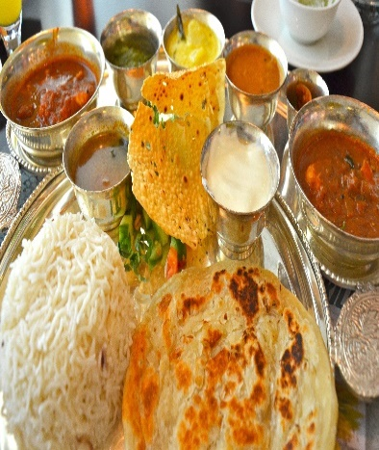
Let's grab a bite | STARTER | PRICE | Indian (Non-VEG) | Price | Shakes | Price
 | Paneer Pakoda | 120 | Chicken Curry | 270 | Chocolate Shake | 70
 | Paneer Tikka | 140 | Chicken Tikka Masala | 290 | Vanilla Shake | 80
 | Baby Corn | 150 | Chicken Handi | 300 | Oreo Shake | 70
 | Chilly Potato | 130 | Chicken Korma | 350 | Kitkat Shake | 80
 | Crispy Corn | 140 | Mutton Curry | 450 | Dairymilk Shake | 80
 | Veg Cutlet | 110 | Mutton Masala | 410 | Strawberry Shake | 70
Welcome!!
 |  |  | Mutton Korma | 400 | Protein Shake | 110
 | BREADS | PRICE | Mutton Kadhai | 460
 | Tawa Roti | 7 |  |  | Ice Cream | Price
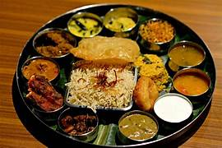
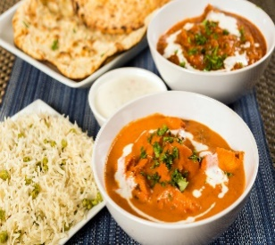
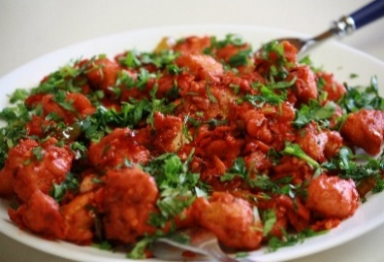
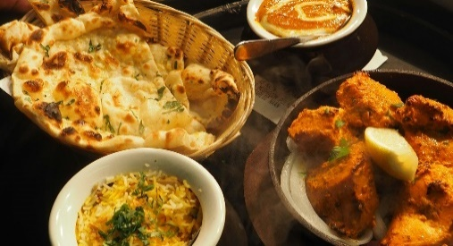
 | Butter Roti | 10 | Drinks | Price | Chocolate | 40
 | Lachha Paratha | 20 | Adrak Chai | 20 | Vanilla | 35
 | Butter Naan | 30 | Masala Chai | 25 | Strawberry | 45
 | Garlic Naan | 35 | Hot Coffee | 60 | Butterscotch | 40
 |  |  | Cold Coffee | 70 | Blueberry | 50
 | Indian (VEG) | Price | Black Coffee | 50
 | Mushroom Curry | 180 |  |  | Sweets | Price
 | Paneer Kadhai | 190 | Biryani | Price | Rasgulla | 10
 | Dal Tadka | 140 | Veg Biryani | 100 | Gulab Jamun | 10
 | Mix Veg | 130 | Egg Biryani | 120 | Rabdi | 25
 | Paneer Butter Masala | 210 | Chicken Biryani | 180 | Gajar Halva | 40
 | Malai Kofta | 180 | Mutton Biryani | 240 | Ras Malai | 15
 | Paneer Bhurji | 160
 | Rajma Masala | 150

Bill
BILL
 |  |  |  |  |  |  | Menu | PRICE
 |  |  |  |  |  |  |  | 0
Orders | Name of Dish | Price | Quantity | Amount | Tax | Total | Paneer Pakoda | 120
Order 1 | Paneer Pakoda | ₹ 120.00 | 2 | ₹ 240.00 | ₹ 12.00 | ₹ 252.00 | Paneer Tikka | 140
Order 2 | Adrak Chai | ₹ 20.00 | 4 | ₹ 80.00 | ₹ 4.00 | ₹ 84.00 | Baby Corn | 150
Order 3 | Kitkat Shake | ₹ 80.00 | 1 | ₹ 80.00 | ₹ 4.00 | ₹ 84.00 | Chilly Potato | 130
Order 4 |  |  |  |  |  |  | Crispy Corn | 140
Order 5 |  |  |  |  |  |  | Veg Cutlet | 110
Order 6 |  |  |  |  |  |  | Tawa Roti | 7
Order 7 |  |  |  |  |  |  | Butter Roti | 10
Order 8 |  |  |  |  |  |  | Lachha Paratha | 20
 |  |  |  |  |  |  | Butter Naan | 30
Generate Bill
 |  |  |  |  |  |  | Garlic Naan | 35
 |  |  |  |  |  |  | Mushroom Curry | 180
 |  |  |  |  |  |  | Paneer Kadhai | 190
 |  |  |  |  |  |  | Dal Tadka | 140
 |  |  |  |  |  |  | Mix Veg | 130
 |  |  |  |  |  |  | Paneer Butter Masala | 210
 |  |  |  |  |  |  | Malai Kofta | 180
 |  |  |  |  |  |  | Paneer Bhurji | 160
 |  |  |  |  |  |  | Rajma Masala | 150
 |  |  |  |  |  |  | Chicken Curry | 270
 |  |  |  |  |  |  | Chicken Tikka Masala | 290
 |  |  |  |  |  |  | Chicken Handi | 300
 |  |  |  |  |  |  | Chicken Korma | 350
 |  |  |  |  |  |  | Mutton Curry | 450
 |  |  |  |  |  |  | Mutton Masala | 410
 |  |  |  |  |  |  | Mutton Korma | 400
 |  |  |  |  |  |  | Mutton Kadhai | 460
 |  |  |  |  |  |  | Adrak Chai | 20
 |  |  |  |  |  |  | Masala Chai | 25
 |  |  |  |  |  |  | Hot Coffee | 60
 |  |  |  |  |  |  | Cold Coffee | 70
 |  |  |  |  |  |  | Black Coffee | 50
 |  |  |  |  |  |  | Chocolate Shake | 70
 |  |  |  |  |  |  | Vanilla Shake | 80
 |  |  |  |  |  |  | Oreo Shake | 70
 |  |  |  |  |  |  | Kitkat Shake | 80
 |  |  |  |  |  |  | Dairymilk Shake | 80
 |  |  |  |  |  |  | Strawberry Shake | 70
 |  |  |  |  |  |  | Protein Shake | 110
 |  |  |  |  |  |  | Chocolate | 40
 |  |  |  |  |  |  | Vanilla | 35
 |  |  |  |  |  |  | Strawberry | 45
 |  |  |  |  |  |  | Butterscotch | 40
 |  |  |  |  |  |  | Blueberry | 50
 |  |  |  |  |  |  | Veg Biryani | 100
 |  |  |  |  |  |  | Egg Biryani | 120
 |  |  |  |  |  |  | Chicken Biryani | 180
 |  |  |  |  |  |  | Mutton Biryani | 240
 |  |  |  |  |  |  | Rasgulla | 10
 |  |  |  |  |  |  | Gulab Jamun | 10
 |  |  |  |  |  |  | Rabdi | 25
 |  |  |  |  |  |  | Gajar Halva | 40
 |  |  |  |  |  |  | Ras Malai | 15
 |  |  |  |  |  |  |  |  | Dish | price | Quantity | Amount | Tax | Bill
 |  |  |  |  |  |  |  |  | Paneer Pakoda | ₹ 120.00 | 2 | 240 | ₹ 12.00 | ₹ 252.00
 |  |  |  |  |  |  |  |  | Adrak Chai | ₹ 20.00 | 4 | 80 | ₹ 4.00 | ₹ 84.00
 |  |  |  |  |  |  |  |  | Kitkat Shake | ₹ 80.00 | 1 | 80 | ₹ 4.00 | ₹ 84.00

Invoice
 | Invoice

Product | Price | Quantity | Amount | Tax | Total
Paneer Pakoda | 120 | 2 | 240 | 12 | 252
Adrak Chai | 20 | 4 | 80 | 4 | 84
Kitkat Shake | 80 | 1 | 80 | 4 | 84

Total Bill |  |  |  |  | 420

Hope you had a great meal. We will be waiting to see you soon!!

